INSTRUCTIONS
How to use the Waitlist Tool: (Wait_List_Import.xlsm)

Step 0: Save the "Wait_List_Import.xlsm" file into its own folder.

Step 1: Open Excel file “Wait_List_Import.xlsm”
**Please note- this is an excel file with macros, so you might have to adjust your excel trust settings. Refer to below website for additional details.
http://office.microsoft.com/en-us/excel-help/change-macro-security-settings-in-excel-HP010342232.aspx

Step 2: Enter all pertinent information. All the columns highlighted in green are required.
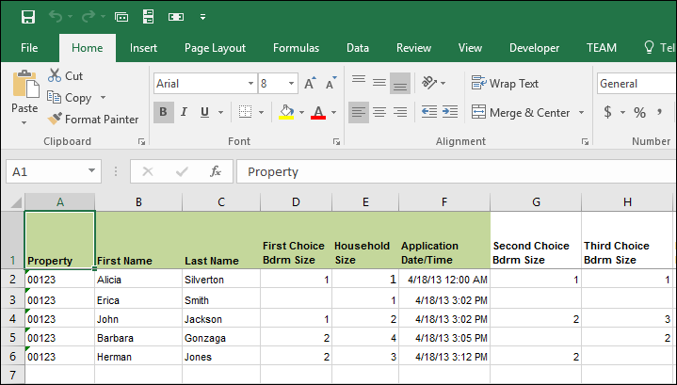
There is data validation and drop down pick lists on all applicable columns. It is important that you enter your data accurately for the CSV file creation and subsequent ETL Import to work.

Column | Validation | Column | Validation
Property | Valid property code in Voyager; enter a single apostrophe ' in front of property names that are intgers with leading zeroes | Mobility, Hearing, Visual Impaired | Values can be Yes, No, or Blank
1st, 2nd, 3rd Choice Bdrm Size | Value 0-9 | Annual Income | Valid whole number
Household Size | Value 1-16 | Income Limit | Values can be ELI, VLI, LI, BIMR, OI
Application Date/Time | Valid Date/Time | Estimated Percent of AMGI | Enter a whole number between 0 -100
Removed Date/Time | Valid Date/Time | 236/RAP Eligibility | Values can be RAP Eligible, Below Market and Market
Move In Date/Time | Valid Date/Time | Gender | Values can be Male, Female
Unit Code | Valid Voyager unit code for this property | Ethnicity | Values can be 1-Hispanic, 2-Non-Hispanic, 0-Declined to Report

Step 3: Navigate to the IMPORT_SETTINGS tab. On this tab, you’ll define your global CSV settings, verify the data and create the ETL CSV files.

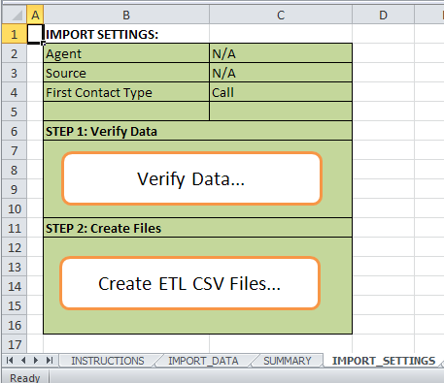
You have the ability to change the default settings for Agent, Source and First Contact Type. Make sure the value you select here exists in Voyager.

Step 4: Verify the data. Click on the “Verify Data…” button. This will validate the values you populated on the IMPORT_DATA tab.

You will either get a Red Bar alerting you to issues or a Green Bar letting you know you data validated successfully. Review the errors and correct them on the IMPORT_DATA tab. This tool will also highlight the cells where the bad data exists.

For example, you can’t have a household size of zero, nor a “Move In Date” without a corresponding “Unit Number”. Once these are fixed, verify your data again.

Step 5: Create your ETL CSV files. Click the “Create ETL CSV Files…” button on the IMPORT_SETTING tab and watch the screens FLY! You will not be able to use your computer while the macro is running, so please plan for 1-2 minutes of waiting. You should get a green bar stating your ETL files have been created. If not, please contact affordable support.

Step 6: Copy these files into your ETL Import folder. The ETL files were created in the same folder that the Wait_List_Import.xlsm file was saved. Copy these files into your ETL Import folder and complete the import through Voyager.

IMPORT_SETTINGS
IMPORT SETTINGS:
Agent | N/A
Source | N/A
First Contact Type | Call

STEP 1: Verify Data
Verify Data...

STEP 2: Create Files

Create ETL CSV Files...

